Transfer PA
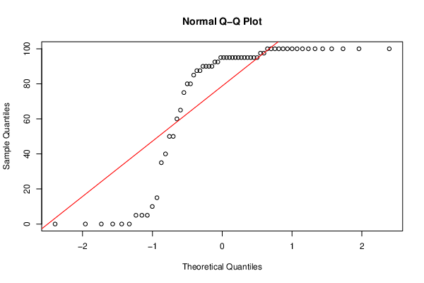
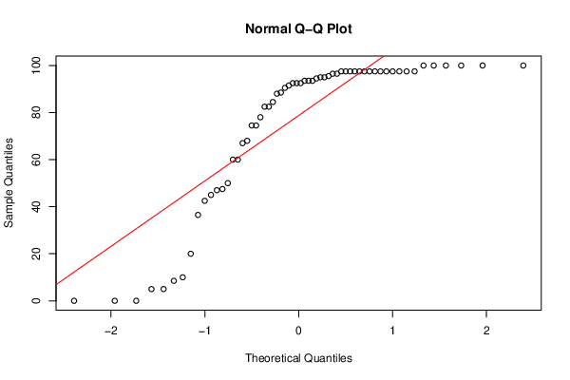
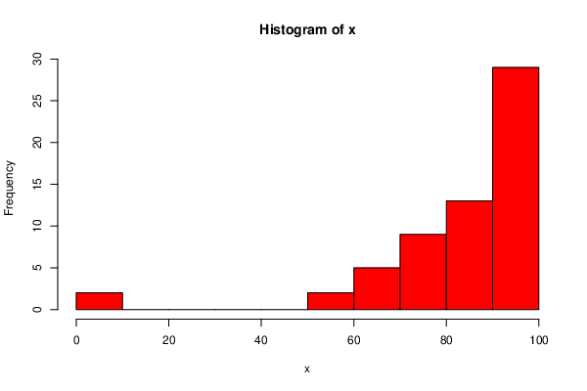
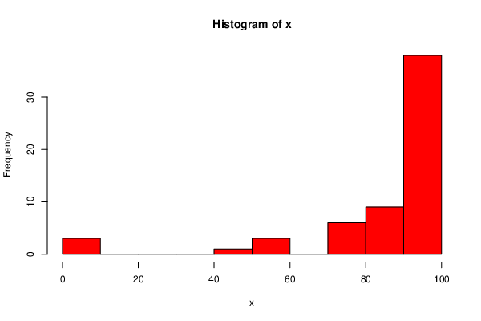
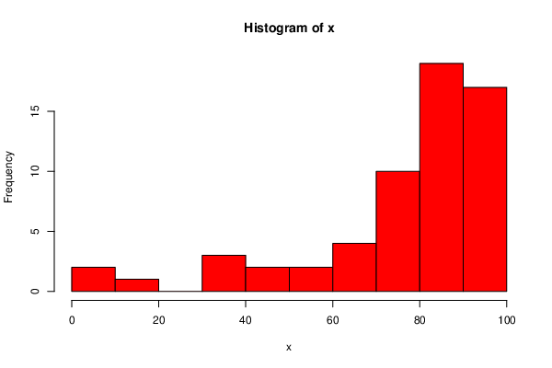
 | DeID | Transfer Status | PA1 | PA2 | PA3 | PA4 | PA5 | PA6 | PA7 | PA8 | PA1 |  | PA2 |  | PA3
18 | 10M1D3KC | TRUE | 90 | 80 | 80 | 100 | 100 | 100 | 100 | 97.5
23 | 1FQJCTP0 | TRUE | 80 | 55 | 50 | 40 | 15 | 12.5 | 10 | 0
34 | 22Y2XO2K | TRUE | 100 | 75 | 100 | 100 | 100 | 0 | 100 | 20
39 | 28YW6SPD | TRUE | 75 | 95 | 80 | 95 | 100 | 97.5 | 92.5 | 100
45 | 2PPW6W7M | TRUE | 85 | 87.5 | 40 | 85 | 90 | 80 | 0 | 42.5
48 | 2XSX8H2C | TRUE | 70 | 100 | 95 | 60 | 65 | 100 | 80 | 74.5
56 | 3MK271VQ | TRUE | 100 | 95 | 85 | 80 | 80 | 85 | 92.5 | 47
61 | 3XNNNAKH | TRUE | 100 | 85 | 75 | 95 | 100 | 100 | 100 | 97.5
77 | 5HD1XVWY | TRUE | 100 | 95 | 100 | 100 | 90 | 92.5 | 0 | 45
98 | 6S1NISDF | TRUE | 100 | 95 | 90 | 75 | 0 | 0 | 0 | 50
105 | 76WD81VV | TRUE | 80 | 100 | 65 | 100 | 75 | 97.5 | 5 | 60
113 | 7Y39WVGT | TRUE | 90 | 95 | 95 | 85 | 100 | 87.5 | 100 | 97.5
117 | 8FXQ1IG0 | TRUE | 100 | 45 | 70 | 90 | 85 | 100 | 95 | 78
119 | 8NNV9QRJ | TRUE | 75 | 75 | 75 | 95 | 100 | 97.5 | 90 | 97.5
123 | 9HKHCNMK | TRUE | 80 | 90 | 50 | 60 | 50 | 72.5 | 40 | 5
128 | 9MKBVKUW | TRUE | 90 | 80 | 90 | 95 | 85 | 87.5 | 95 | 92.5
148 | B320EDG9 | TRUE | 90 | 100 | 90 | 100 | 100 | 90 | 100 | 97.5
155 | BF0HATQ8 | TRUE | 100 | 75 | 100 | 100 | 80 | 97.5 | 75 | 88.5
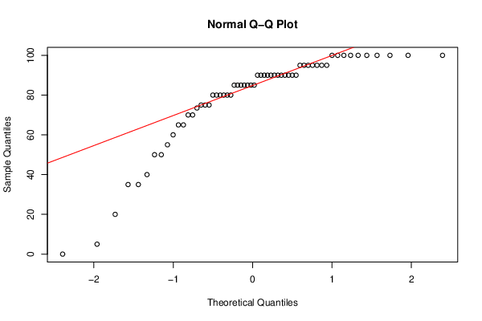
164 | C6S8SY5I | TRUE | 100 | 95 | 20 | 95 | 85 | 90 | 95 | 97.5
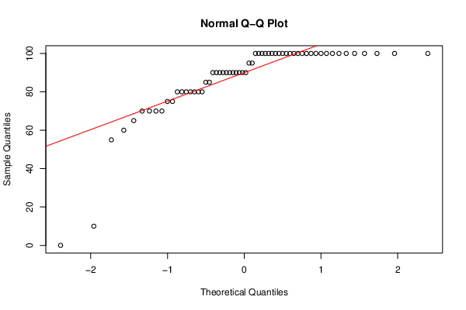
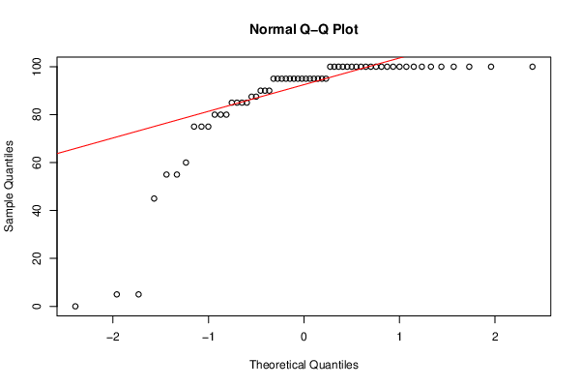
165 | C9HVW1HR | TRUE | 90 | 100 | 90 | 95 | 90 | 80 | 50 | 90.5
172 | CM5CES4X | TRUE | 100 | 100 | 100 | 85 | 100 | 100 | 100 | 97.5
186 | DFCAKKY6 | TRUE | 80 | 0 | 35 | 0 | 100 | 82.5 | 95 | 95
190 | DSM6Y2H6 | TRUE | 100 | 95 | 85 | 100 | 25 | 15 | 85 | 68
196 | E7HR0BU4 | TRUE | 90 | 100 | 90 | 100 | 100 | 100 | 95 | 95
205 | EIXSSJ24 | TRUE | 80 | 100 | 0 | 100 | 75 | 90 | 60 | 97.5
222 | G5YXDDPR | TRUE | 90 | 100 | 85 | 95 | 60 | 82.5 | 95 | 82.5
223 | G7VYIID9 | TRUE | 55 | 5 | 95 | 100 | 75 | 97.5 | 5 | 60
237 | H9VYZRJR | TRUE | 100 | 85 | 90 | 100 | 45 | 50 | 5 | 5
247 | IF84I5AR | TRUE | 100 | 87.5 | 100 | 100 | 85 | 100 | 100 | 96.5
250 | IJV29Z4Q | TRUE | 95 | 90 | 80 | 100 | 90 | 100 | 65 | 47.5
262 | J7DG31DL | TRUE | 100 | 100 | 5 | 100 | 90 | 5 | 100 | 100
277 | K3PEQA61 | TRUE | 70 | 100 | 95 | 60 | 65 | 100 | 80 | 74.5
287 | KPOLFB9K | TRUE | 85 | 95 | 95 | 95 | 80 | 90 | 100 | 95.5
309 | M6G521Y5 | TRUE | 90 | 85 | 90 | 100 | 50 | 5 | 35 | 93.5
325 | NMS0G8IP | TRUE | 70 | 100 | 90 | 95 | 90 | 80 | 87.5 | 97.5
329 | NS4TZRLP | TRUE | 100 | 100 | 100 | 100 | 100 | 100 | 95 | 93.5
330 | NS89SPF7 | TRUE | 100 | 100 | 100 | 100 | 90 | 97.5 | 100 | 100
332 | NY6U0FHN | TRUE | 100 | 95 | 73.5 | 80 | 15 | 95 | 0 | 8.5
342 | OJ2TZ2HM | TRUE | 100 | 95 | 95 | 95 | 80 | 92.5 | 50 | 96.5
355 | PJLP9KGP | TRUE | 90 | 60 | 100 | 95 | 100 | 90 | 90 | 88
359 | PNE2D6QR | TRUE | 100 | 95 | 60 | 60 | 90 | 87.5 | 90 | 92.5 | PA4
362 | PYLTLSHD | TRUE | 10 | 5 | 90 | 0 | 15 | 17.5 | 0 | 0 |  |  |  | PA5 |  | PA6
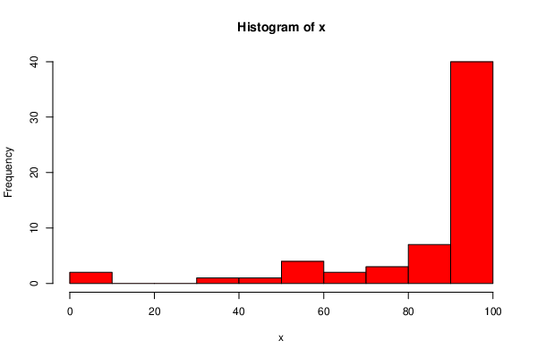
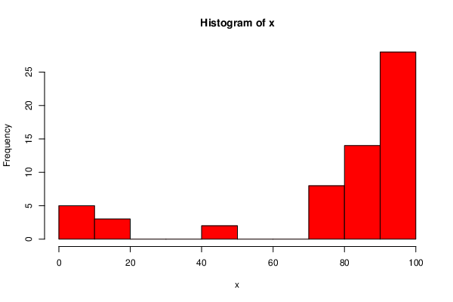
364 | Q1QFETHH | TRUE | 90 | 100 | 80 | 95 | 60 | 77.5 | 95 | 82.5
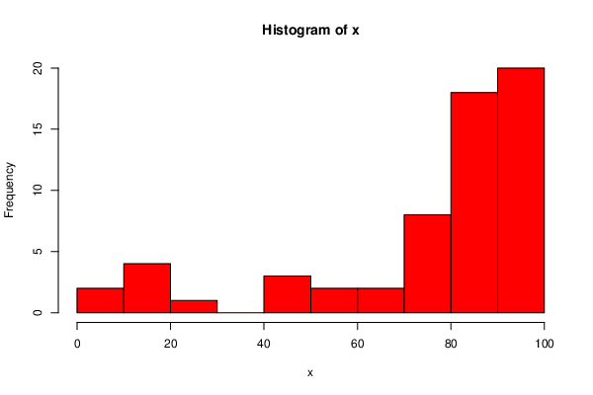
380 | QVONSV9I | TRUE | 100 | 100 | 100 | 100 | 85 | 100 | 100 | 100
382 | QXYL0U9G | TRUE | 100 | 100 | 85 | 100 | 100 | 80 | 100 | 93.5
383 | QYQ7I3MQ | TRUE | 90 | 100 | 85 | 95 | 90 | 80 | 87.5 | 92.5
384 | QZV31WC2 | TRUE | 100 | 100 | 85 | 100 | 100 | 100 | 97.5 | 97.5
400 | RVR4TAC2 | TRUE | 100 | 100 | 70 | 85 | 100 | 90 | 97.5 | 36.5
417 | T1E9HPBG | TRUE | 80 | 100 | 80 | 90 | 100 | 100 | 90 | 100
420 | T47JFAGG | TRUE | 100 | 100 | 95 | 100 | 90 | 95 | 100 | 91.5
424 | TB82FY44 | TRUE | 65 | 95 | 90 | 100 | 90 | 92.5 | 95 | 67
435 | TYK2UPMN | TRUE | 100 | 100 | 100 | 95 | 100 | 100 | 100 | 97.5
444 | UI902D7R | TRUE | 0 | 95 | 85 | 95 | 90 | 0 | 0 | 0
445 | UIU2M2YN | TRUE | 100 | 55 | 75 | 90 | 17.5 | 75 | 95 | 84.5
455 | V1XULD41 | TRUE | 100 | 80 | 80 | 95 | 100 | 87.5 | 95 | 100
456 | VCHEELZD | TRUE | 80 | 85 | 90 | 100 | 100 | 100 | 95 | 97.5
465 | W4F7GC40 | TRUE | 70 | 100 | 65 | 70 | 5 | 45 | 15 | 10
488 | YA66VY60 | TRUE | 60 | 90 | 35 | 50 | 75 | 100 | 100 | 97.5
489 | YH17VRV6 | TRUE | 95 | 100 | 55 | 65 | 100 | 87.5 | 95 | 94.5
517 | ZY7O88AS | TRUE | 100 | 95 | 90 | 100 | 90 | 92.5 | 100 | 97.5

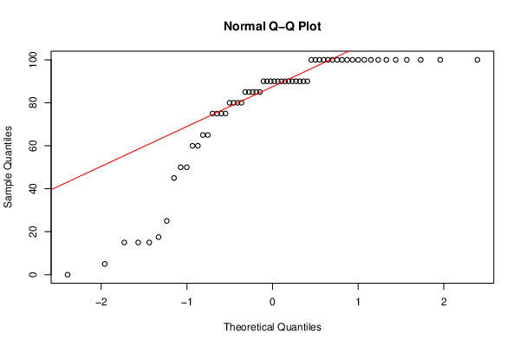
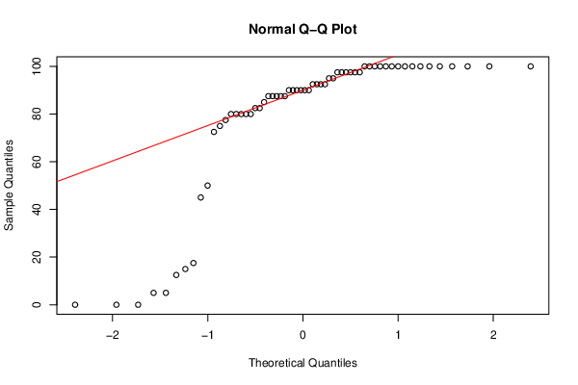


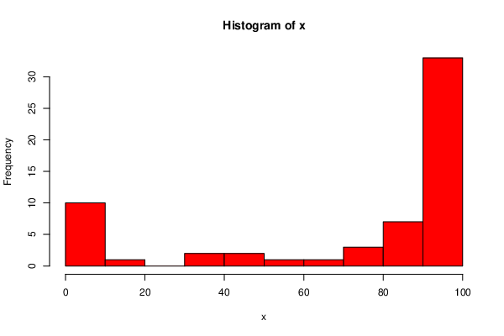
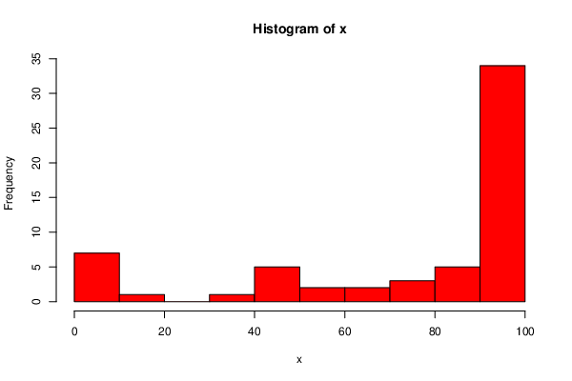
 |  |  |  |  |  |  |  |  |  |  |  | PA7 |  | PA8

Native PA
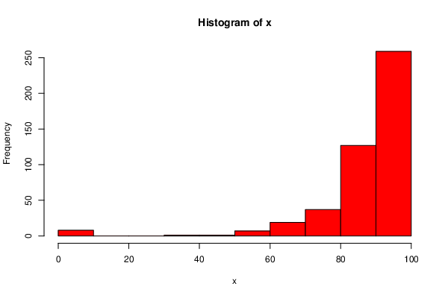
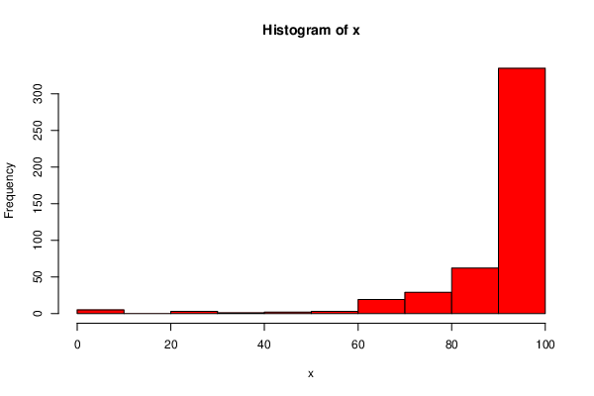
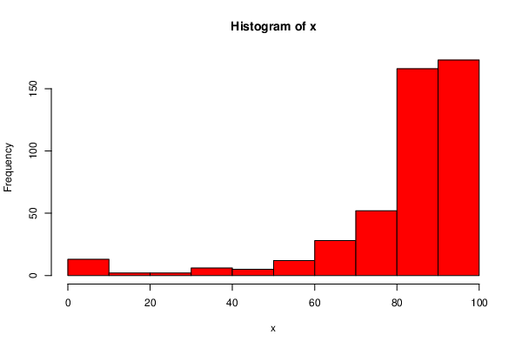
 | DeID | Transfer Status | PA1 | PA2 | PA3 | PA4 | PA5 | PA6 | PA7 | PA8 |  | PA1 |  | PA2 |  | PA3
0 | 01USSUI3 | FALSE | 100 | 100 | 100 | 100 | 100 | 100 | 100 | 93.5
1 | 067XGZ0E | FALSE | 80 | 80 | 85 | 100 | 92.5 | 100 | 100 | 92.5
2 | 08Q3J2IX | FALSE | 100 | 100 | 90 | 100 | 100 | 100 | 100 | 94
3 | 09OZWKK6 | FALSE | 70 | 100 | 90 | 100 | 85 | 100 | 100 | 96.5
4 | 0AQ81ICW | FALSE | 80 | 90 | 100 | 100 | 85 | 80 | 0 | 98
5 | 0B5U51EM | FALSE | 100 | 100 | 82.5 | 100 | 70 | 100 | 95 | 93
6 | 0CSSQ80E | FALSE | 0 | 0 | 0 | 0 | 0 | 0 | 0 | 0
7 | 0DI1ET58 | FALSE | 100 | 85 | 0 | 100 | 100 | 100 | 97.5 | 95.5
8 | 0EV6RTFG | FALSE | 100 | 95 | 85 | 85 | 85 | 100 | 95 | 97.5
9 | 0FP83YDC | FALSE | 100 | 100 | 100 | 100 | 100 | 100 | 97.5 | 43
10 | 0J9V0GSD | FALSE | 90 | 95 | 100 | 100 | 100 | 97.5 | 100 | 97.5
11 | 0JFGV9J3 | FALSE | 90 | 70 | 85 | 100 | 100 | 82.5 | 100 | 95
12 | 0LSZZHS7 | FALSE | 100 | 80 | 90 | 95 | 85 | 0 | 87.5 | 5
13 | 0O15384D | FALSE | 100 | 85 | 85 | 100 | 100 | 92.5 | 90 | 97.5
14 | 0RJR3UB2 | FALSE | 100 | 85 | 55 | 100 | 100 | 95 | 100 | 96.5
15 | 0X91IN7M | FALSE | 90 | 95 | 100 | 95 | 85 | 100 | 100 | 96.5
16 | 0YNOBIVB | FALSE | 100 | 80 | 85 | 95 | 85 | 100 | 97.5 | 94.5
17 | 0YNUACNX | FALSE | 100 | 100 | 80 | 100 | 50 | 97.5 | 5 | 97.5
19 | 112Y19QQ | FALSE | 100 | 100 | 75 | 100 | 95 | 100 | 100 | 96
20 | 12QC2AZI | FALSE | 100 | 100 | 100 | 100 | 100 | 100 | 100 | 24
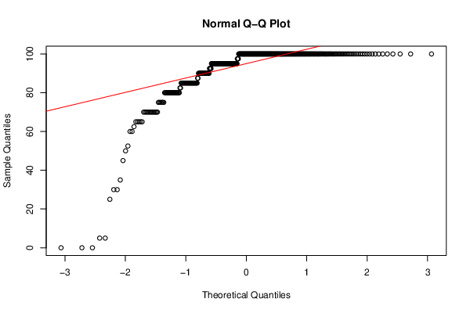
21 | 1AVMXYPB | FALSE | 90 | 60 | 0 | 0 | 0 | 0 | 0 | 0
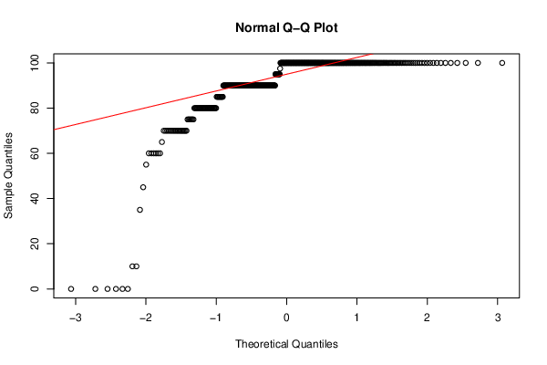
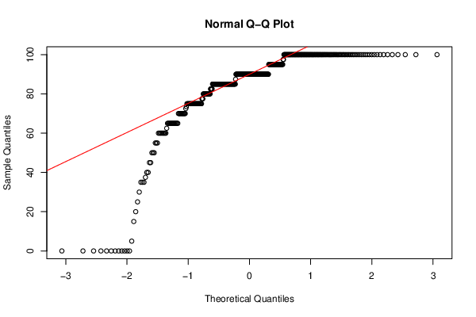
22 | 1DSTM3NG | FALSE | 100 | 90 | 65 | 100 | 100 | 95 | 100 | 100
24 | 1GIFQR6E | FALSE | 100 | 95 | 100 | 100 | 100 | 100 | 100 | 97.5
25 | 1KUMC6EK | FALSE | 90 | 100 | 90 | 100 | 90 | 100 | 100 | 96
26 | 1M23DVS0 | FALSE | 95 | 100 | 100 | 100 | 80 | 100 | 95 | 88
27 | 1MLB8DCO | FALSE | 90 | 70 | 80 | 70 | 60 | 5 | 90 | 62
28 | 1NP4ECVC | FALSE | 100 | 100 | 90 | 95 | 100 | 100 | 100 | 93
29 | 1NTALV04 | FALSE | 90 | 100 | 100 | 95 | 100 | 97.5 | 95 | 100
30 | 1RHWG5OW | FALSE | 100 | 65 | 85 | 100 | 100 | 92.5 | 100 | 89
31 | 1VKDQJSO | FALSE | 85 | 80 | 90 | 100 | 100 | 100 | 100 | 95.5
32 | 1ZZI02ZU | FALSE | 100 | 80 | 100 | 95 | 85 | 100 | 90 | 93
33 | 20P5QCCX | FALSE | 85 | 90 | 85 | 80 | 100 | 97.5 | 85 | 100
35 | 23RJJJAB | FALSE | 100 | 70 | 85 | 95 | 45 | 62.5 | 65 | 0
36 | 263ZOSV1 | FALSE | 90 | 85 | 100 | 95 | 75 | 97.5 | 100 | 97.5
37 | 2806MK4M | FALSE | 100 | 100 | 95 | 75 | 90 | 95 | 97.5 | 95
38 | 2823FJJI | FALSE | 100 | 100 | 100 | 100 | 100 | 97.5 | 100 | 100
40 | 2FF6CRPY | FALSE | 90 | 100 | 90 | 100 | 100 | 90 | 95 | 95.5
41 | 2FNJPDH5 | FALSE | 90 | 95 | 80 | 95 | 100 | 97.5 | 97.5 | 100
42 | 2IDE1JDP | FALSE | 100 | 100 | 100 | 100 | 100 | 87.5 | 100 | 100
43 | 2LIGIRQQ | FALSE | 100 | 85 | 100 | 100 | 90 | 87.5 | 95 | 88.5
44 | 2LX4PMA3 | FALSE | 45 | 80 | 85 | 95 | 100 | 90 | 90 | 95
46 | 2TJC8Z9P | FALSE | 100 | 95 | 90 | 100 | 85 | 85 | 92.5 | 97.5
47 | 2VZHHT7Z | FALSE | 90 | 95 | 90 | 100 | 100 | 97.5 | 90 | 97.5 |  |  |  |  | PA5
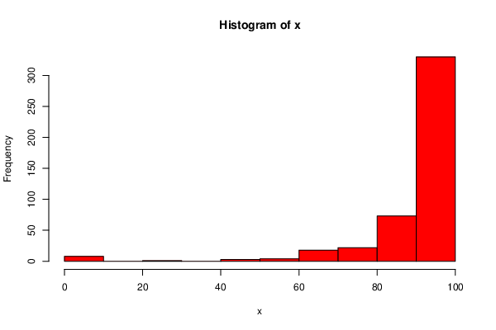
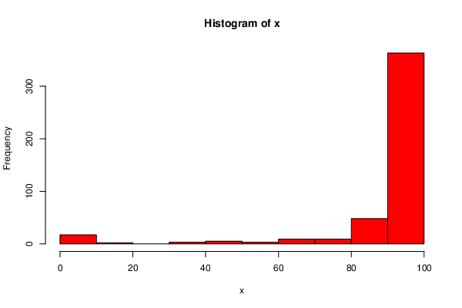
49 | 36GB5HPE | FALSE | 90 | 95 | 85 | 95 | 80 | 95 | 90 | 25 | PA4 |  |  |  |  |  | PA6
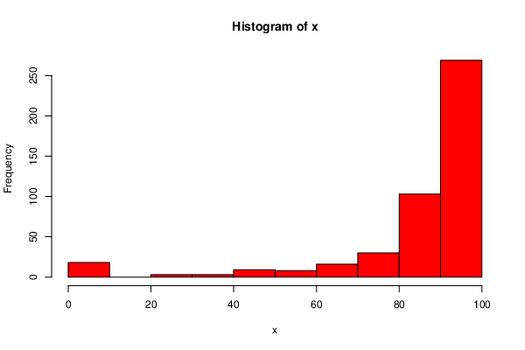
50 | 37RBMODO | FALSE | 90 | 100 | 100 | 90 | 100 | 95 | 100 | 97.5
51 | 38UH8DHW | FALSE | 100 | 100 | 100 | 100 | 90 | 100 | 100 | 99
52 | 3APO64LS | FALSE | 90 | 90 | 65 | 95 | 100 | 100 | 100 | 99
53 | 3C8SI5NY | FALSE | 100 | 100 | 100 | 100 | 100 | 100 | 100 | 97.5
54 | 3DO59N6N | FALSE | 100 | 100 | 85 | 100 | 100 | 100 | 95 | 100
55 | 3ENSTSL2 | FALSE | 100 | 95 | 65 | 100 | 90 | 90 | 90 | 97.5
57 | 3NSQWXDF | FALSE | 90 | 100 | 90 | 100 | 100 | 100 | 100 | 97.5
58 | 3S0SZ5C4 | FALSE | 35 | 95 | 0 | 85 | 70 | 97.5 | 20 | 84.5
59 | 3X17JGAS | FALSE | 90 | 95 | 85 | 100 | 85 | 95 | 90 | 25
60 | 3XL3NANW | FALSE | 90 | 100 | 100 | 95 | 100 | 100 | 100 | 97.5
62 | 3Y9DUGIO | FALSE | 90 | 100 | 85 | 100 | 100 | 100 | 100 | 100
63 | 3YTH4DOX | FALSE | 100 | 90 | 65 | 100 | 100 | 100 | 100 | 99
64 | 41Q9NZH9 | FALSE | 60 | 95 | 95 | 75 | 30 | 60 | 70 | 87.5
65 | 43GS4AW7 | FALSE | 100 | 100 | 100 | 80 | 90 | 95 | 90 | 96.5
66 | 4BWWZI8M | FALSE | 100 | 100 | 90 | 100 | 100 | 100 | 100 | 86.5
67 | 4G0PPO88 | FALSE | 100 | 95 | 82.5 | 100 | 100 | 100 | 95 | 94.5
68 | 4IXQCIBM | FALSE | 100 | 100 | 100 | 100 | 100 | 100 | 100 | 97.5
69 | 4JNI3RFL | FALSE | 90 | 100 | 100 | 100 | 100 | 95 | 100 | 94.5
70 | 4L5SCOMJ | FALSE | 80 | 87.5 | 85 | 85 | 75 | 95 | 95 | 88
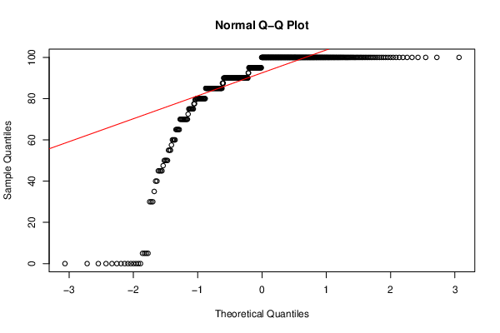
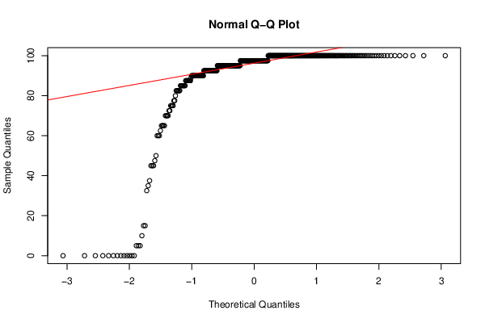
71 | 4TY7IQMU | FALSE | 100 | 100 | 100 | 100 | 100 | 90 | 100 | 93.5
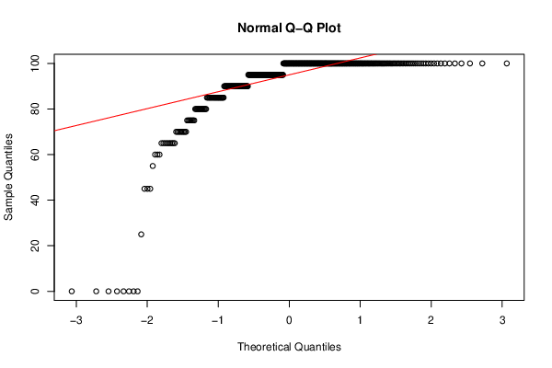
72 | 4VRCTUXD | FALSE | 100 | 95 | 100 | 100 | 100 | 100 | 95 | 88.5
73 | 4WATCJ9A | FALSE | 80 | 100 | 90 | 100 | 90 | 95 | 100 | 97.5
74 | 58FGC341 | FALSE | 100 | 95 | 100 | 95 | 100 | 100 | 10 | 97.5
75 | 5BBIGKXW | FALSE | 90 | 100 | 100 | 100 | 100 | 95 | 95 | 97.5
76 | 5HB9ZW2S | FALSE | 90 | 100 | 100 | 100 | 100 | 100 | 97.5 | 95
78 | 5IVMMVD6 | FALSE | 80 | 90 | 90 | 95 | 100 | 97.5 | 52.5 | 87.5
79 | 5LQH4ZED | FALSE | 100 | 100 | 100 | 100 | 100 | 100 | 100 | 97.5
80 | 5OKID1KX | FALSE | 100 | 85 | 85 | 65 | 87.5 | 97.5 | 92.5 | 95
81 | 5PEXDAJQ | FALSE | 100 | 100 | 90 | 100 | 100 | 100 | 100 | 97.5
82 | 5UAIU1T4 | FALSE | 75 | 95 | 80 | 95 | 100 | 60 | 0 | 93.5
83 | 5VA7IB2O | FALSE | 100 | 100 | 100 | 100 | 100 | 100 | 100 | 97.5
84 | 5VQOMWVO | FALSE | 80 | 100 | 90 | 95 | 85 | 90 | 95 | 75
85 | 5XCURLDS | FALSE | 75 | 95 | 35 | 85 | 60 | 87.5 | 60 | 68
86 | 5Z87GMPE | FALSE | 100 | 100 | 85 | 100 | 100 | 100 | 95 | 97.5
87 | 63BU2T1Z | FALSE | 90 | 100 | 100 | 100 | 100 | 97.5 | 100 | 5
88 | 63VGE34R | FALSE | 100 | 95 | 90 | 95 | 100 | 95 | 100 | 96.5
89 | 64SF3V4T | FALSE | 100 | 100 | 90 | 100 | 100 | 97.5 | 95 | 97.5
90 | 65JLYPR7 | FALSE | 95 | 85 | 100 | 75 | 95 | 97.5 | 100 | 88
91 | 668J389O | FALSE | 70 | 100 | 100 | 90 | 95 | 92.5 | 65 | 95.5
92 | 69U9087F | FALSE | 90 | 65 | 5 | 90 | 45 | 97.5 | 85 | 70.5
93 | 6AN2NYEW | FALSE | 100 | 100 | 100 | 100 | 100 | 100 | 100 | 100
94 | 6J7JKHYR | FALSE | 100 | 90 | 100 | 95 | 100 | 100 | 100 | 100
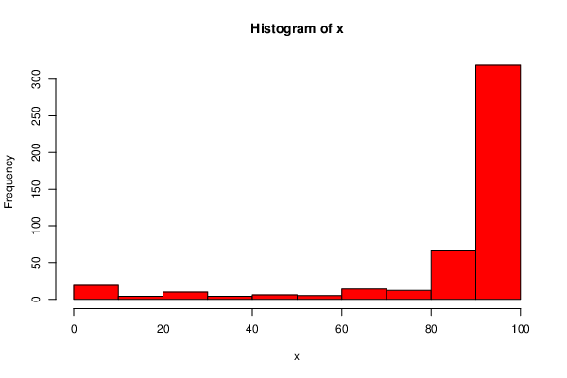
95 | 6LZAC2JA | FALSE | 90 | 100 | 90 | 100 | 70 | 92.5 | 100 | 97.5 | PA7 |  | PA8
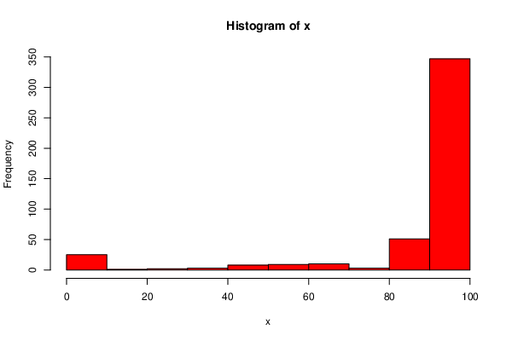
96 | 6POBGC6F | FALSE | 90 | 100 | 100 | 100 | 100 | 100 | 55 | 92.5
97 | 6QDAE16C | FALSE | 100 | 100 | 100 | 95 | 100 | 97.5 | 100 | 93.5
99 | 6SCSR8QI | FALSE | 90 | 100 | 90 | 100 | 100 | 97.5 | 92.5 | 93.5
100 | 6VGU8STT | FALSE | 70 | 100 | 100 | 100 | 100 | 100 | 100 | 95.5
101 | 6YW3QBWU | FALSE | 100 | 95 | 80 | 100 | 95 | 92.5 | 90 | 90
102 | 7105EJ1T | FALSE | 100 | 100 | 80 | 100 | 100 | 100 | 97.5 | 87.5
103 | 72GB717K | FALSE | 100 | 100 | 90 | 100 | 100 | 97.5 | 100 | 96
104 | 73BD8V5W | FALSE | 80 | 30 | 25 | 75 | 0 | 37.5 | 70 | 42.5
106 | 78H841QG | FALSE | 90 | 100 | 100 | 100 | 90 | 90 | 95 | 92.5
107 | 7FAO13VF | FALSE | 100 | 100 | 70 | 100 | 100 | 100 | 100 | 97.5
108 | 7KIWIMK3 | FALSE | 90 | 100 | 100 | 90 | 100 | 97.5 | 100 | 95.5
109 | 7OCUS5CI | FALSE | 90 | 5 | 95 | 95 | 85 | 95 | 85 | 72.5
110 | 7Q7MQ3N3 | FALSE | 80 | 100 | 100 | 100 | 100 | 90 | 100 | 93.5
111 | 7ROMJT0U | FALSE | 100 | 100 | 100 | 100 | 80 | 95 | 100 | 92.5
112 | 7TNYSJV0 | FALSE | 90 | 100 | 100 | 95 | 90 | 100 | 100 | 92.5
114 | 7ZDR3PCO | FALSE | 100 | 100 | 90 | 100 | 90 | 90 | 0 | 0
115 | 806STYZK | FALSE | 95 | 70 | 85 | 95 | 100 | 95 | 100 | 88
116 | 8BPKB7M4 | FALSE | 80 | 92.5 | 100 | 100 | 90 | 100 | 95 | 97.5
118 | 8JWV4GC6 | FALSE | 100 | 100 | 85 | 100 | 100 | 100 | 100 | 95.5
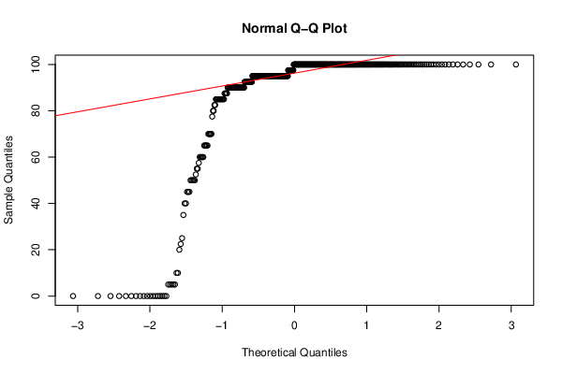
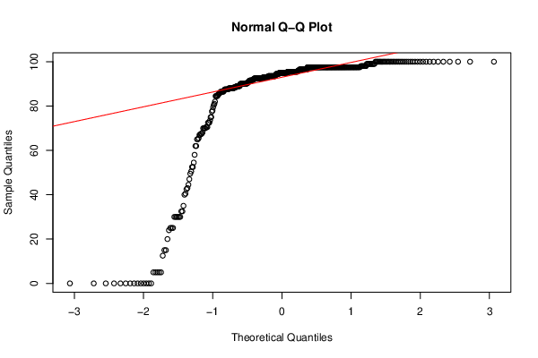
120 | 8WIYQTIR | FALSE | 55 | 95 | 100 | 100 | 100 | 100 | 95 | 93
121 | 9FER7O5R | FALSE | 10 | 95 | 65 | 100 | 95 | 82.5 | 90 | 86
122 | 9HBNNXT8 | FALSE | 100 | 100 | 90 | 100 | 100 | 97.5 | 100 | 100
124 | 9IQJUAA6 | FALSE | 100 | 100 | 95 | 100 | 95 | 95 | 100 | 70
125 | 9ISC9QSQ | FALSE | 90 | 100 | 95 | 100 | 100 | 97.5 | 100 | 97.5
126 | 9K73MBAY | FALSE | 100 | 80 | 90 | 100 | 100 | 92.5 | 95 | 92.5
127 | 9L8BH6X1 | FALSE | 100 | 95 | 90 | 90 | 100 | 100 | 82.5 | 91.5
129 | 9ONOJ0H6 | FALSE | 70 | 70 | 60 | 85 | 90 | 97.5 | 95 | 12.5
130 | 9R9A8KB7 | FALSE | 100 | 100 | 100 | 100 | 100 | 97.5 | 100 | 97.5
131 | 9V14RFLW | FALSE | 100 | 100 | 100 | 100 | 100 | 100 | 100 | 90
132 | 9VME0ZWK | FALSE | 100 | 100 | 75 | 100 | 100 | 100 | 45 | 93
133 | A5NMJKTE | FALSE | 100 | 95 | 90 | 95 | 100 | 95 | 95 | 90
134 | ADLZMXZF | FALSE | 100 | 100 | 70 | 95 | 90 | 95 | 100 | 92
135 | AERWXBQT | FALSE | 100 | 95 | 90 | 100 | 100 | 87.5 | 95 | 93.5
136 | AG4JIR2V | FALSE | 80 | 95 | 100 | 95 | 0 | 95 | 90 | 97.5
137 | AGOOJIZC | FALSE | 90 | 95 | 95 | 60 | 85 | 95 | 97.5 | 95.5
138 | AGYSTFXE | FALSE | 100 | 90 | 100 | 95 | 100 | 97.5 | 100 | 97.5
139 | AJTHCM05 | FALSE | 100 | 95 | 90 | 100 | 100 | 92.5 | 85 | 92.5
140 | AMJRZOO4 | FALSE | 100 | 100 | 85 | 100 | 100 | 95 | 100 | 97.5
141 | ASDU4EW1 | FALSE | 90 | 100 | 90 | 100 | 100 | 100 | 95 | 95
142 | AT11GC64 | FALSE | 90 | 92.5 | 100 | 100 | 90 | 100 | 95 | 97.5
143 | AV7JSUBP | FALSE | 100 | 100 | 100 | 100 | 100 | 97.5 | 100 | 95.5
144 | AWKDXR5O | FALSE | 100 | 95 | 77.5 | 80 | 100 | 100 | 100 | 97.5
145 | AWLIQTMU | FALSE | 100 | 95 | 97.5 | 70 | 100 | 72.5 | 87.5 | 90
146 | B0F0VHQM | FALSE | 100 | 100 | 90 | 100 | 100 | 100 | 100 | 90
147 | B0NP46RQ | FALSE | 100 | 80 | 75 | 95 | 90 | 92.5 | 100 | 97.5
149 | B414GPAC | FALSE | 100 | 100 | 95 | 90 | 45 | 70 | 85 | 65.5
150 | B613BEZ0 | FALSE | 100 | 95 | 90 | 100 | 60 | 92.5 | 85 | 92.5
151 | B81U8RV8 | FALSE | 100 | 95 | 65 | 95 | 100 | 97.5 | 100 | 97.5
152 | BBRJTF91 | FALSE | 100 | 100 | 100 | 100 | 100 | 100 | 100 | 100
153 | BD4H09MX | FALSE | 90 | 100 | 75 | 100 | 100 | 100 | 92.5 | 92.5
154 | BDIP6BEU | FALSE | 100 | 95 | 65 | 100 | 100 | 97.5 | 100 | 97.5
156 | BG2PIXEX | FALSE | 90 | 100 | 100 | 95 | 100 | 100 | 100 | 95
157 | BGSGV2HL | FALSE | 100 | 95 | 85 | 90 | 100 | 100 | 82.5 | 91.5
158 | BR00GTJ5 | FALSE | 100 | 100 | 100 | 100 | 100 | 100 | 100 | 100
159 | BSL7NDCZ | FALSE | 95 | 100 | 100 | 100 | 90 | 97.5 | 100 | 96.5
160 | BZF1R4W0 | FALSE | 80 | 75 | 90 | 0 | 0 | 0 | 0 | 0
161 | C0MPLLR9 | FALSE | 100 | 100 | 100 | 95 | 100 | 100 | 100 | 100
162 | C3WZSDHO | FALSE | 100 | 100 | 85 | 90 | 90 | 97.5 | 100 | 97.5
163 | C5W50SOI | FALSE | 100 | 85 | 70 | 100 | 85 | 90 | 95 | 97.5
166 | CDP5TDJM | FALSE | 90 | 100 | 95 | 100 | 100 | 100 | 95 | 100
167 | CGT9K6MK | FALSE | 100 | 100 | 75 | 80 | 95 | 100 | 100 | 86.5
168 | CJRV5WJF | FALSE | 100 | 100 | 100 | 100 | 100 | 100 | 95 | 97.5
169 | CL800MTT | FALSE | 100 | 70 | 60 | 85 | 90 | 97.5 | 100 | 30
170 | CL9HJ7DD | FALSE | 97.5 | 100 | 75 | 95 | 90 | 100 | 92.5 | 97.5
171 | CLOZ5AAM | FALSE | 100 | 100 | 100 | 100 | 100 | 97.5 | 100 | 99
173 | CMDC320F | FALSE | 90 | 95 | 85 | 85 | 100 | 97.5 | 100 | 93
174 | CQ3HKOYX | FALSE | 90 | 100 | 70 | 100 | 100 | 100 | 100 | 88.5
175 | CQPMMBE7 | FALSE | 90 | 100 | 80 | 95 | 75 | 92.5 | 90 | 91.5
176 | CRSI72RY | FALSE | 80 | 100 | 80 | 100 | 100 | 100 | 90 | 90
177 | CSVU80MG | FALSE | 100 | 100 | 65 | 85 | 95 | 65 | 90 | 88
178 | CW0TWPZR | FALSE | 100 | 100 | 100 | 100 | 100 | 100 | 95 | 90
179 | CZIGXRYP | FALSE | 100 | 95 | 95 | 100 | 100 | 95 | 100 | 98
180 | D226NMJP | FALSE | 100 | 100 | 100 | 90 | 100 | 97.5 | 55 | 49.5
181 | D2PDHXCR | FALSE | 90 | 90 | 80 | 95 | 90 | 90 | 95 | 92.5
182 | D4BND4OF | FALSE | 90 | 90 | 77.5 | 65 | 40 | 65 | 45 | 32.5
183 | D58K0UOQ | FALSE | 100 | 100 | 90 | 100 | 100 | 95 | 100 | 97.5
184 | DDWN6VB1 | FALSE | 100 | 100 | 85 | 100 | 100 | 90 | 95 | 96.5
185 | DEYZMWO6 | FALSE | 90 | 85 | 90 | 100 | 100 | 100 | 92.5 | 95.5
187 | DJBVREYM | FALSE | 90 | 100 | 85 | 100 | 85 | 100 | 95 | 97.5
188 | DJVQXO0Y | FALSE | 80 | 85 | 85 | 95 | 100 | 100 | 57.5 | 96.5
189 | DN5L5E02 | FALSE | 95 | 100 | 100 | 100 | 85 | 90 | 100 | 96.5
191 | DTZ3WEFP | FALSE | 100 | 95 | 100 | 100 | 100 | 100 | 100 | 97.5
192 | DUKBIFIV | FALSE | 100 | 100 | 95 | 90 | 77.5 | 85 | 100 | 92.5
193 | DWRQLM42 | FALSE | 90 | 100 | 90 | 85 | 100 | 92.5 | 100 | 93
194 | E1K24ERG | FALSE | 100 | 90 | 75 | 90 | 100 | 100 | 90 | 25
195 | E7D1676F | FALSE | 100 | 100 | 60 | 85 | 100 | 100 | 100 | 95
197 | E7V1XN6U | FALSE | 100 | 100 | 75 | 80 | 95 | 100 | 100 | 86.5
198 | E885V9W9 | FALSE | 90 | 90 | 75 | 100 | 70 | 87.5 | 90 | 72.5
199 | E8QP4BFL | FALSE | 85 | 100 | 100 | 90 | 80 | 95 | 95 | 58
200 | E96EJ1W7 | FALSE | 80 | 100 | 85 | 95 | 85 | 87.5 | 100 | 87
201 | EBRJ26QD | FALSE | 100 | 100 | 75 | 95 | 90 | 100 | 92.5 | 97.5
202 | EFM5M2F2 | FALSE | 90 | 95 | 85 | 100 | 100 | 100 | 100 | 95.5
203 | EFM5M2F2 | FALSE | 90 | 95 | 85 | 100 | 100 | 100 | 100 | 95.5
204 | EG06PPYB | FALSE | 90 | 75 | 95 | 100 | 95 | 50 | 100 | 88
206 | EN9M2QX9 | FALSE | 80 | 90 | 75 | 80 | 35 | 97.5 | 70 | 40
207 | ES5TP0KY | FALSE | 90 | 85 | 75 | 95 | 95 | 100 | 92.5 | 81
208 | EU9L3V2S | FALSE | 90 | 100 | 100 | 100 | 55 | 15 | 5 | 0
209 | EXBTEBFC | FALSE | 90 | 97.5 | 85 | 95 | 100 | 95 | 95 | 85.5
210 | EZM58OT8 | FALSE | 80 | 100 | 100 | 95 | 85 | 95 | 90 | 85
211 | F1OC0OSJ | FALSE | 100 | 100 | 60 | 65 | 100 | 97.5 | 95 | 97.5
212 | F22XWAA8 | FALSE | 100 | 100 | 100 | 100 | 100 | 97.5 | 95 | 96.5
213 | F3F1ZOMR | FALSE | 90 | 100 | 100 | 95 | 100 | 100 | 100 | 95.5
214 | F74NGECY | FALSE | 100 | 100 | 85 | 80 | 100 | 100 | 100 | 97.5
215 | F9ZB9QXX | FALSE | 100 | 100 | 100 | 95 | 95 | 97.5 | 95 | 93.5
216 | FCSCRQ69 | FALSE | 100 | 100 | 90 | 100 | 95 | 100 | 100 | 97.5
217 | FET6T324 | FALSE | 100 | 85 | 60 | 70 | 100 | 85 | 95 | 95.5
218 | FNTCHD74 | FALSE | 90 | 100 | 90 | 90 | 100 | 100 | 95 | 97.5
219 | FVZD1SZ5 | FALSE | 100 | 90 | 77.5 | 65 | 80 | 65 | 45 | 32.5
220 | G05T833E | FALSE | 100 | 100 | 100 | 95 | 90 | 100 | 90 | 97.5
221 | G5TXVPT5 | FALSE | 90 | 90 | 85 | 100 | 65 | 82.5 | 70 | 95.5
224 | GB15HU58 | FALSE | 70 | 100 | 75 | 90 | 100 | 95 | 97.5 | 95
225 | GFYRZ57B | FALSE | 90 | 100 | 65 | 85 | 95 | 65 | 85 | 88
226 | GIYYL71M | FALSE | 90 | 95 | 75 | 95 | 70 | 100 | 95 | 100
227 | GK12PDL9 | FALSE | 90 | 100 | 90 | 100 | 100 | 100 | 100 | 95.5
228 | GPQIUEA9 | FALSE | 100 | 95 | 70 | 100 | 75 | 92.5 | 90 | 90.5
229 | GR6F8DYJ | FALSE | 0 | 45 | 50 | 90 | 85 | 100 | 95 | 72.5
230 | GRPNYVAS | FALSE | 90 | 95 | 85 | 100 | 80 | 95 | 100 | 90
231 | GV8O09G5 | FALSE | 90 | 100 | 100 | 100 | 100 | 100 | 100 | 100
232 | GYM9HLU1 | FALSE | 100 | 100 | 85 | 100 | 95 | 97.5 | 100 | 90.5
233 | GZ7147OJ | FALSE | 100 | 100 | 90 | 100 | 80 | 100 | 95 | 93.5
234 | H05DIVIH | FALSE | 100 | 100 | 100 | 100 | 90 | 100 | 100 | 99
235 | H2OPMGTZ | FALSE | 90 | 70 | 70 | 95 | 85 | 95 | 100 | 92
236 | H2Z5S6CE | FALSE | 80 | 100 | 85 | 100 | 100 | 75 | 100 | 88
238 | HJSLFCBH | FALSE | 100 | 100 | 95 | 100 | 100 | 92.5 | 90 | 95
239 | HL5L331C | FALSE | 90 | 100 | 75 | 95 | 95 | 100 | 100 | 97.5
240 | HSFAS81S | FALSE | 100 | 100 | 100 | 100 | 90 | 100 | 100 | 95
241 | HW3IKNUC | FALSE | 70 | 90 | 90 | 100 | 100 | 97.5 | 95 | 99
242 | HZ91TFR7 | FALSE | 100 | 100 | 85 | 90 | 87.5 | 100 | 100 | 97.5
243 | I56PLFF0 | FALSE | 100 | 75 | 90 | 95 | 100 | 100 | 100 | 95.5
244 | I5TBS6UK | FALSE | 90 | 92.5 | 90 | 90 | 100 | 100 | 100 | 84.5
245 | I8OCRZQK | FALSE | 100 | 85 | 100 | 95 | 100 | 97.5 | 100 | 100
246 | IEHVVYEF | FALSE | 100 | 95 | 100 | 90 | 100 | 100 | 100 | 97.5
248 | IHEKLGA1 | FALSE | 90 | 100 | 100 | 100 | 50 | 90 | 5 | 91.5
249 | IHSNE5ZD | FALSE | 100 | 100 | 100 | 85 | 90 | 92.5 | 100 | 100
251 | IP3FMI9B | FALSE | 90 | 85 | 75 | 100 | 90 | 95 | 50 | 97.5
252 | IR5RDF7M | FALSE | 100 | 95 | 85 | 100 | 90 | 100 | 85 | 86.5
253 | ISVFEMZR | FALSE | 100 | 95 | 75 | 100 | 90 | 90 | 60 | 97.5
254 | ITI1OT02 | FALSE | 70 | 80 | 50 | 0 | 0 | 0 | 0 | 5
255 | IU5XZVEU | FALSE | 0 | 0 | 0 | 45 | 0 | 45 | 0 | 0
256 | IVHRLB7K | FALSE | 90 | 100 | 0 | 0 | 0 | 0 | 0 | 0
257 | IWYOZJST | FALSE | 100 | 100 | 85 | 100 | 100 | 92.5 | 100 | 90
258 | IYOPPGV5 | FALSE | 100 | 100 | 75 | 100 | 85 | 100 | 100 | 92.5
259 | IZV79Z1B | FALSE | 100 | 100 | 100 | 100 | 90 | 95 | 100 | 95.5
260 | J17QWOUJ | FALSE | 100 | 100 | 95 | 100 | 95 | 0 | 100 | 93
261 | J459XRL1 | FALSE | 100 | 85 | 80 | 90 | 90 | 100 | 100 | 97.5
263 | J8GI9DFV | FALSE | 100 | 100 | 100 | 100 | 100 | 100 | 100 | 97.5
264 | J8QWEZXF | FALSE | 90 | 95 | 75 | 95 | 85 | 75 | 0 | 0
265 | JAX4144P | FALSE | 90 | 100 | 100 | 95 | 100 | 100 | 100 | 79.5
266 | JE0UDU7G | FALSE | 95 | 80 | 75 | 100 | 100 | 100 | 100 | 96.5
267 | JGB3L5TV | FALSE | 100 | 95 | 85 | 100 | 100 | 100 | 92.5 | 82
268 | JL2CQO0Y | FALSE | 100 | 100 | 90 | 100 | 100 | 100 | 100 | 96.5
269 | JMB7JZQE | FALSE | 80 | 100 | 95 | 95 | 95 | 100 | 100 | 90
270 | JNPG46PU | FALSE | 100 | 90 | 100 | 95 | 100 | 97.5 | 100 | 97.5
271 | JQW9ZYI7 | FALSE | 100 | 85 | 55 | 100 | 100 | 95 | 100 | 96.5
272 | JS8I4GHG | FALSE | 75 | 100 | 90 | 100 | 90 | 97.5 | 92.5 | 96.5
273 | JV5P771G | FALSE | 75 | 100 | 100 | 95 | 100 | 100 | 100 | 100
274 | JZUY5MHH | FALSE | 100 | 100 | 90 | 100 | 100 | 100 | 100 | 97.5
275 | K0FK5GG0 | FALSE | 90 | 82.5 | 100 | 95 | 80 | 100 | 40 | 95.5
276 | K230LIFQ | FALSE | 100 | 100 | 70 | 100 | 70 | 85 | 0 | 0
278 | K4O7N0KG | FALSE | 70 | 85 | 90 | 100 | 100 | 100 | 95 | 92
279 | K58KG156 | FALSE | 100 | 100 | 100 | 100 | 100 | 100 | 100 | 99
280 | K9444F6X | FALSE | 90 | 95 | 90 | 100 | 85 | 95 | 100 | 99
281 | K9M0R5NS | FALSE | 100 | 100 | 65 | 100 | 85 | 95 | 77.5 | 88.5
282 | KBC4X3Q8 | FALSE | 90 | 95 | 72.5 | 95 | 100 | 95 | 95 | 95
283 | KEVGY2QF | FALSE | 100 | 100 | 100 | 90 | 100 | 100 | 100 | 97.5
284 | KILP19JM | FALSE | 85 | 5 | 65 | 90 | 95 | 70 | 5 | 30
285 | KK6138WW | FALSE | 90 | 100 | 100 | 100 | 100 | 97.5 | 100 | 100
286 | KKYJYTTD | FALSE | 100 | 95 | 95 | 90 | 85 | 92.5 | 95 | 97.5
288 | KUS3T8XV | FALSE | 100 | 65 | 70 | 55 | 65 | 100 | 95 | 89
289 | KY0I23AD | FALSE | 100 | 100 | 95 | 90 | 100 | 100 | 95 | 98
290 | KY82OGR8 | FALSE | 90 | 100 | 85 | 100 | 90 | 100 | 100 | 97.5
291 | L0EUXJ5Q | FALSE | 10 | 100 | 100 | 90 | 100 | 100 | 65 | 97.5
292 | L0WFR75T | FALSE | 100 | 97.5 | 75 | 100 | 85 | 100 | 95 | 89
293 | L3301MTE | FALSE | 100 | 80 | 70 | 90 | 100 | 95 | 95 | 92.5
294 | L6N9CT2Z | FALSE | 85 | 95 | 100 | 100 | 100 | 100 | 100 | 95
295 | L7ASJVIO | FALSE | 80 | 85 | 90 | 100 | 100 | 95 | 100 | 91.5
296 | LAP4IT5J | FALSE | 100 | 95 | 85 | 85 | 100 | 97.5 | 100 | 97.5
297 | LGSKLEBN | FALSE | 100 | 100 | 85 | 100 | 100 | 100 | 100 | 100
298 | LI0L0EDU | FALSE | 100 | 85 | 85 | 100 | 100 | 92.5 | 90 | 97.5
299 | LK0AV7SN | FALSE | 100 | 100 | 90 | 100 | 65 | 95 | 100 | 100
300 | LKMRGJH2 | FALSE | 100 | 100 | 90 | 100 | 90 | 100 | 100 | 98
301 | LMJAIJ2D | FALSE | 100 | 100 | 100 | 100 | 100 | 100 | 100 | 97.5
302 | LR3PWW8B | FALSE | 70 | 80 | 90 | 100 | 100 | 95 | 95 | 70
303 | LT4ZCY4I | FALSE | 70 | 70 | 100 | 100 | 95 | 95 | 90 | 15
304 | LX5BT4UT | FALSE | 100 | 100 | 100 | 75 | 30 | 5 | 70 | 87.5
305 | LYVRVVL8 | FALSE | 100 | 80 | 75 | 95 | 90 | 92.5 | 100 | 97.5
306 | LZ0DBCRW | FALSE | 95 | 90 | 65 | 95 | 80 | 100 | 100 | 70
307 | M0IWKTA7 | FALSE | 100 | 100 | 90 | 100 | 90 | 100 | 100 | 73.5
308 | M0XVLNB1 | FALSE | 100 | 82.5 | 75 | 80 | 90 | 95 | 100 | 97.5
310 | M8J3O0P6 | FALSE | 100 | 95 | 82.5 | 100 | 70 | 100 | 95 | 93
311 | MAZ5AMVO | FALSE | 100 | 30 | 20 | 65 | 30 | 5 | 35 | 15
312 | MDYUAN6J | FALSE | 90 | 80 | 90 | 75 | 55 | 92.5 | 60 | 30
313 | MRIN3H3P | FALSE | 100 | 90 | 85 | 100 | 79.5 | 100 | 100 | 97.5
314 | MS58HO5O | FALSE | 100 | 90 | 100 | 100 | 100 | 100 | 95 | 100
315 | MTKRTVXG | FALSE | 75 | 0 | 0 | 0 | 0 | 0 | 0 | 0
316 | MWPCH3Z0 | FALSE | 100 | 65 | 80 | 95 | 90 | 92.5 | 100 | 84.5
317 | N04IZFPP | FALSE | 100 | 100 | 100 | 95 | 90 | 100 | 95 | 90
318 | N696TM9G | FALSE | 100 | 100 | 95 | 100 | 85 | 92.5 | 100 | 98
319 | N9QUM2TI | FALSE | 90 | 95 | 85 | 100 | 100 | 100 | 100 | 95.5
320 | NCH6KPWX | FALSE | 100 | 100 | 100 | 100 | 100 | 100 | 95 | 95.5
321 | NI2X7ZFF | FALSE | 75 | 35 | 0 | 70 | 75 | 0 | 0 | 0
322 | NKJ6WPZ7 | FALSE | 80 | 100 | 60 | 100 | 55 | 97.5 | 65 | 47
323 | NL2TXV52 | FALSE | 100 | 100 | 100 | 100 | 90 | 95 | 100 | 95.5
324 | NL3XNCCZ | FALSE | 100 | 100 | 90 | 100 | 90 | 100 | 100 | 96
326 | NOCUNUYL | FALSE | 90 | 100 | 75 | 100 | 95 | 100 | 50 | 98
327 | NOTLEB1I | FALSE | 90 | 100 | 95 | 100 | 95 | 97.5 | 90 | 97.5
328 | NRNHOJ8O | FALSE | 65 | 100 | 87.5 | 100 | 92.5 | 97.5 | 100 | 97.5
331 | NWELEL8P | FALSE | 90 | 100 | 100 | 100 | 80 | 95 | 100 | 93.5
333 | NYW5ODPV | FALSE | 80 | 100 | 100 | 100 | 95 | 100 | 97.5 | 95
334 | O14CJMHJ | FALSE | 90 | 92.5 | 90 | 100 | 95 | 100 | 100 | 97.5
335 | O2ND6P18 | FALSE | 100 | 95 | 100 | 100 | 100 | 100 | 100 | 97.5
336 | O6IQSPP1 | FALSE | 95 | 70 | 90 | 100 | 100 | 95 | 100 | 88
337 | O9M9R0NW | FALSE | 85 | 95 | 85 | 80 | 100 | 97.5 | 85 | 100
338 | OBR5XS0L | FALSE | 100 | 100 | 90 | 100 | 100 | 100 | 100 | 97.5
339 | OFCVB39Y | FALSE | 100 | 70 | 85 | 90 | 100 | 85 | 100 | 94
340 | OFS485M5 | FALSE | 100 | 90 | 85 | 95 | 100 | 97.5 | 92.5 | 89
341 | OI6KDEMT | FALSE | 95 | 85 | 90 | 90 | 85 | 77.5 | 95 | 98
343 | OP30VHLJ | FALSE | 100 | 100 | 90 | 70 | 90 | 90 | 92.5 | 100
344 | OQ1WS9NK | FALSE | 100 | 100 | 80 | 95 | 95 | 100 | 95 | 88
345 | P08QK7O7 | FALSE | 100 | 100 | 100 | 100 | 100 | 97.5 | 90 | 94.5
346 | P7Z82NUN | FALSE | 90 | 80 | 37.5 | 80 | 65 | 70 | 80 | 86
347 | P81O12J2 | FALSE | 100 | 100 | 85 | 100 | 100 | 100 | 100 | 97.5
348 | PAL5MWOM | FALSE | 90 | 85 | 85 | 90 | 85 | 90 | 80 | 89
349 | PCHV3407 | FALSE | 60 | 95 | 95 | 90 | 70 | 100 | 95 | 96.5
350 | PDRUHDH6 | FALSE | 100 | 100 | 85 | 90 | 90 | 97.5 | 100 | 97.5
351 | PDRUHDH6 | FALSE | 100 | 100 | 85 | 90 | 90 | 97.5 | 100 | 97.5
352 | PEJWD34Y | FALSE | 90 | 70 | 90 | 100 | 100 | 82.5 | 100 | 95
353 | PF6TTOET | FALSE | 100 | 100 | 75 | 100 | 100 | 100 | 100 | 89
354 | PJGB7PX3 | FALSE | 80 | 87.5 | 75 | 95 | 100 | 100 | 95 | 95.5
356 | PM81UNCC | FALSE | 100 | 80 | 73.5 | 90 | 47.5 | 100 | 95 | 97.5
357 | PMI316M8 | FALSE | 80 | 100 | 45 | 85 | 90 | 90 | 100 | 100
358 | PNAYBPRJ | FALSE | 90 | 95 | 90 | 100 | 100 | 100 | 100 | 99
360 | PPACSPZ0 | FALSE | 0 | 60 | 90 | 70 | 80 | 97.5 | 95 | 30
361 | PQVDOD1Q | FALSE | 100 | 95 | 100 | 90 | 80 | 97.5 | 100 | 95
363 | PYM0DP2G | FALSE | 100 | 100 | 100 | 100 | 100 | 97.5 | 100 | 67
365 | Q2QBQQPL | FALSE | 100 | 100 | 95 | 100 | 85 | 95 | 95 | 75
366 | Q3CIPJRB | FALSE | 90 | 100 | 95 | 100 | 95 | 97.5 | 85 | 93.5
367 | Q4OIBFL1 | FALSE | 100 | 100 | 90 | 95 | 90 | 100 | 100 | 99
368 | Q94RGS14 | FALSE | 70 | 90 | 100 | 70 | 100 | 87.5 | 100 | 94.5
369 | QAEP4BAP | FALSE | 100 | 100 | 90 | 100 | 85 | 100 | 100 | 100
370 | QECFHSYP | FALSE | 80 | 100 | 100 | 90 | 80 | 97.5 | 100 | 95
371 | QGAGXYDE | FALSE | 100 | 100 | 90 | 95 | 100 | 100 | 100 | 100
372 | QHYGKP8X | FALSE | 100 | 100 | 0 | 90 | 0 | 97.5 | 87.5 | 5
373 | QKKEGR2D | FALSE | 100 | 100 | 90 | 90 | 90 | 100 | 100 | 97.5
374 | QRBSV3FX | FALSE | 100 | 100 | 0 | 95 | 70 | 47.5 | 100 | 95.5
375 | QS8OFEVB | FALSE | 90 | 85 | 90 | 100 | 50 | 10 | 40 | 93.5
376 | QTHEP0B6 | FALSE | 60 | 100 | 90 | 100 | 100 | 95 | 100 | 97.5
377 | QTMIZ2YK | FALSE | 100 | 100 | 90 | 0 | 85 | 90 | 92.5 | 100
378 | QUYJ46VQ | FALSE | 90 | 100 | 90 | 100 | 100 | 95 | 95 | 97.5
379 | QV1UMQ4S | FALSE | 100 | 100 | 90 | 100 | 90 | 90 | 90 | 65
381 | QX8GBG30 | FALSE | 90 | 50 | 75 | 75 | 70 | 100 | 100 | 97.5
385 | R3XRCRNI | FALSE | 85 | 85 | 90 | 85 | 85 | 77.5 | 22.5 | 50.5
386 | R6269XF8 | FALSE | 100 | 100 | 90 | 100 | 75 | 100 | 100 | 92.5
387 | R7SVGVDT | FALSE | 90 | 100 | 100 | 100 | 100 | 100 | 100 | 97.5
388 | R9DLP03N | FALSE | 90 | 100 | 90 | 100 | 100 | 95 | 97.5 | 95
389 | RAIAK65W | FALSE | 85 | 100 | 100 | 80 | 100 | 90 | 100 | 97.5
390 | RFEZET82 | FALSE | 100 | 62.5 | 95 | 90 | 100 | 95 | 100 | 94.5
391 | RJJCD1N3 | FALSE | 90 | 100 | 100 | 85 | 85 | 100 | 100 | 97.5
392 | RLG9E2ZV | FALSE | 90 | 100 | 100 | 100 | 100 | 100 | 100 | 97.5
393 | RMRJCO49 | FALSE | 100 | 85 | 70 | 100 | 65 | 32.5 | 10 | 35
394 | RNWRAIYU | FALSE | 100 | 95 | 85 | 75 | 100 | 100 | 100 | 88.5
395 | ROADWW4Z | FALSE | 90 | 97.5 | 100 | 100 | 100 | 100 | 100 | 97.5
396 | RP8U02PI | FALSE | 100 | 100 | 90 | 100 | 90 | 92.5 | 100 | 97.5
397 | RQOXRHO3 | FALSE | 90 | 100 | 90 | 100 | 100 | 100 | 97.5 | 95
398 | RQU3W53Q | FALSE | 80 | 85 | 90 | 100 | 100 | 100 | 100 | 100
399 | RSXIMS8L | FALSE | 85 | 95 | 35 | 85 | 5 | 45 | 65 | 20
401 | RW3DERRC | FALSE | 90 | 95 | 60 | 100 | 100 | 92.5 | 92.5 | 97.5
402 | RWYCXIXB | FALSE | 100 | 100 | 100 | 100 | 90 | 97.5 | 100 | 100
403 | S77LVX9W | FALSE | 90 | 90 | 65 | 95 | 80 | 97.5 | 95 | 70
404 | S8AQ1E0W | FALSE | 80 | 100 | 75 | 95 | 95 | 100 | 85 | 87.5
405 | S9PCRZCY | FALSE | 90 | 100 | 90 | 100 | 100 | 100 | 100 | 86.5
406 | SD3WLRSB | FALSE | 70 | 85 | 95 | 100 | 95 | 100 | 100 | 67.5
407 | SERRF52V | FALSE | 100 | 100 | 55 | 60 | 95 | 92.5 | 95 | 97.5
408 | SHZEH9DZ | FALSE | 100 | 100 | 100 | 100 | 100 | 100 | 100 | 100
409 | SK2OYHEO | FALSE | 100 | 100 | 100 | 100 | 100 | 97.5 | 97.5 | 100
410 | SNWLT08W | FALSE | 90 | 100 | 90 | 100 | 95 | 100 | 95 | 100
411 | SOHR6ITT | FALSE | 100 | 95 | 82.5 | 0 | 90 | 45 | 100 | 93.5
412 | SQDFVKSL | FALSE | 100 | 100 | 90 | 100 | 100 | 75 | 100 | 98
413 | SSV3612M | FALSE | 70 | 100 | 45 | 85 | 90 | 90 | 100 | 95
414 | ST4WA3DA | FALSE | 100 | 100 | 95 | 85 | 100 | 100 | 100 | 97.5
415 | SWMJL3GI | FALSE | 60 | 75 | 85 | 95 | 95 | 95 | 95 | 90.5
416 | T0HH089U | FALSE | 100 | 100 | 90 | 100 | 100 | 95 | 95 | 97.5
418 | T31RR9FE | FALSE | 100 | 75 | 0 | 90 | 90 | 100 | 50 | 90
419 | T38BOXVJ | FALSE | 100 | 100 | 85 | 100 | 100 | 95 | 95 | 93.5
421 | T4VUTUQF | FALSE | 90 | 85 | 75 | 100 | 100 | 100 | 100 | 67.5
422 | T527R78N | FALSE | 90 | 100 | 75 | 25 | 100 | 97.5 | 90 | 97.5
423 | T9NH0TQ9 | FALSE | 90 | 100 | 82.5 | 100 | 100 | 100 | 100 | 92.5
425 | TB89HD43 | FALSE | 85 | 100 | 85 | 100 | 72.5 | 100 | 100 | 80.5
426 | TCLB82FF | FALSE | 80 | 52.5 | 40 | 65 | 5 | 15 | 50 | 90
427 | TDA1QQPZ | FALSE | 90 | 95 | 100 | 100 | 85 | 92.5 | 87.5 | 54.5
428 | TIODLL4L | FALSE | 100 | 75 | 62.5 | 85 | 57.5 | 90 | 95 | 65
429 | TK1F70UM | FALSE | 80 | 100 | 100 | 90 | 95 | 97.5 | 90 | 92
430 | TLI98M8L | FALSE | 100 | 95 | 40 | 95 | 0 | 0 | 100 | 100
431 | TMT7GS7I | FALSE | 95 | 100 | 95 | 95 | 90 | 95 | 95 | 91
432 | TN5HUQXA | FALSE | 100 | 70 | 90 | 90 | 80 | 100 | 100 | 97.5
433 | TOL2C8IW | FALSE | 100 | 100 | 80 | 100 | 100 | 100 | 100 | 97.5
434 | TU32JQ00 | FALSE | 100 | 100 | 95 | 95 | 100 | 95 | 100 | 93.5
436 | TYKOSK3G | FALSE | 100 | 100 | 100 | 100 | 100 | 100 | 100 | 97.5
437 | TYROY0V2 | FALSE | 100 | 70 | 80 | 70 | 60 | 90 | 90 | 62
438 | U44P0KES | FALSE | 0 | 85 | 90 | 95 | 77.5 | 85 | 100 | 92.5
439 | U4I688QV | FALSE | 90 | 100 | 95 | 100 | 100 | 100 | 100 | 97.5
440 | U5T1NG6U | FALSE | 100 | 100 | 95 | 100 | 100 | 100 | 92.5 | 94.5
441 | UDYR522Z | FALSE | 60 | 25 | 15 | 45 | 5 | 35 | 25 | 5
442 | UH5C5WY6 | FALSE | 100 | 100 | 100 | 100 | 90 | 100 | 100 | 40.5
443 | UI51SANE | FALSE | 100 | 100 | 100 | 100 | 100 | 97.5 | 100 | 95.5
446 | UIXGQJ1S | FALSE | 95 | 100 | 100 | 95 | 100 | 97.5 | 100 | 97.5
447 | UMXIQQJC | FALSE | 100 | 100 | 85 | 80 | 100 | 100 | 100 | 95.5
448 | UQ1V8VVF | FALSE | 80 | 100 | 100 | 85 | 100 | 100 | 100 | 97.5
449 | UQEVR1U7 | FALSE | 100 | 80 | 90 | 100 | 100 | 97.5 | 95 | 96.5
450 | UWLZ2TMM | FALSE | 70 | 95 | 95 | 95 | 90 | 85 | 100 | 93.5
451 | UWWDTQ1H | FALSE | 100 | 100 | 95 | 100 | 50 | 92.5 | 60 | 30
452 | UZSWSQ3J | FALSE | 100 | 80 | 80 | 90 | 100 | 100 | 95 | 92.5
453 | V0JWYM5B | FALSE | 90 | 100 | 100 | 100 | 100 | 82.5 | 100 | 97.5
454 | V0ZDT5YD | FALSE | 100 | 65 | 85 | 100 | 100 | 97.5 | 100 | 89
457 | VGOLLU0S | FALSE | 100 | 100 | 100 | 95 | 100 | 87.5 | 95 | 90.5
458 | VHZ2MBN6 | FALSE | 100 | 100 | 90 | 100 | 80 | 95 | 100 | 87.5
459 | VNFYM2K5 | FALSE | 70 | 80 | 90 | 100 | 100 | 100 | 95 | 97.5
460 | VPW99F3X | FALSE | 100 | 100 | 90 | 100 | 100 | 97.5 | 95 | 93
461 | VVN0PWET | FALSE | 90 | 100 | 80 | 100 | 95 | 85 | 100 | 92.5
462 | VWTD1YZA | FALSE | 100 | 100 | 100 | 85 | 95 | 97.5 | 50 | 44.5
463 | VY4MZGE7 | FALSE | 90 | 100 | 100 | 100 | 100 | 100 | 95 | 95.5
464 | W214WAMH | FALSE | 100 | 100 | 70 | 95 | 100 | 0 | 5 | 30
466 | WCNPLLO3 | FALSE | 100 | 95 | 95 | 90 | 100 | 92.5 | 95 | 87.5
467 | WJC0S984 | FALSE | 90 | 100 | 0 | 100 | 100 | 100 | 100 | 52.5
468 | WKQ3YXRO | FALSE | 100 | 100 | 90 | 100 | 100 | 97.5 | 95 | 91.5
469 | WMQIKGMG | FALSE | 90 | 100 | 95 | 100 | 100 | 89 | 100 | 94.5
470 | WU0TQMUM | FALSE | 70 | 100 | 90 | 90 | 80 | 97.5 | 92.5 | 95
471 | WXTT1VJ4 | FALSE | 85 | 85 | 100 | 95 | 85 | 75 | 100 | 97.5
472 | WXUWSSX8 | FALSE | 100 | 100 | 100 | 95 | 100 | 97.5 | 100 | 67
473 | WZX0UDPH | FALSE | 100 | 80 | 95 | 100 | 100 | 97.5 | 100 | 100
474 | X2673J6L | FALSE | 100 | 100 | 90 | 100 | 90 | 95 | 95 | 91.5
475 | XFE0GECY | FALSE | 100 | 100 | 100 | 65 | 90 | 100 | 95 | 52.5
476 | XGDEG69D | FALSE | 90 | 95 | 85 | 85 | 100 | 97.5 | 100 | 70.5
477 | XIJ141P2 | FALSE | 90 | 100 | 90 | 90 | 100 | 100 | 100 | 93
478 | XIJNBZVD | FALSE | 100 | 100 | 80 | 95 | 100 | 100 | 100 | 93.5
479 | XIZON7YH | FALSE | 100 | 90 | 30 | 65 | 87.5 | 82.5 | 100 | 95
480 | XLY0LOX9 | FALSE | 100 | 80 | 85 | 90 | 100 | 100 | 100 | 96.5
481 | XMEQXJWQ | FALSE | 100 | 100 | 100 | 100 | 90 | 95 | 100 | 77.5
482 | XYUQZ9N4 | FALSE | 90 | 85 | 95 | 100 | 100 | 97.5 | 100 | 100
483 | XZSTYJX4 | FALSE | 100 | 90 | 85 | 95 | 79.5 | 100 | 100 | 92.5
484 | Y0TCWZ5T | FALSE | 100 | 100 | 95 | 100 | 100 | 100 | 100 | 92.5
485 | Y0TCWZ5T | FALSE | 100 | 100 | 95 | 100 | 100 | 100 | 100 | 92.5
486 | Y2BE0Q8A | FALSE | 100 | 95 | 97.5 | 65 | 100 | 72.5 | 0 | 90
487 | Y8OAUQ5S | FALSE | 100 | 100 | 100 | 100 | 100 | 100 | 100 | 97.5
490 | YI3A9OVR | FALSE | 100 | 80 | 95 | 95 | 75 | 92.5 | 90 | 86.5
491 | YI7230RK | FALSE | 100 | 100 | 85 | 80 | 100 | 100 | 100 | 93
492 | YL8IXZJ0 | FALSE | 90 | 100 | 100 | 95 | 95 | 95 | 87.5 | 78
493 | YLZIMV7U | FALSE | 80 | 100 | 90 | 100 | 90 | 90 | 100 | 97.5
494 | YM2TIKL3 | FALSE | 70 | 100 | 60 | 45 | 0 | 0 | 0 | 89
495 | YOT5DMBO | FALSE | 100 | 95 | 35 | 95 | 0 | 95 | 0 | 0
496 | YRKLV7Q7 | FALSE | 100 | 100 | 100 | 100 | 100 | 97.5 | 100 | 97.5
497 | YUJQPQU4 | FALSE | 100 | 100 | 100 | 85 | 90 | 92.5 | 100 | 100
498 | YY2ZOLVA | FALSE | 100 | 85 | 90 | 100 | 40 | 100 | 95 | 91
499 | Z0RX8XJ5 | FALSE | 100 | 95 | 95 | 95 | 100 | 95 | 95 | 93.5
500 | Z71AITNN | FALSE | 100 | 95 | 85 | 95 | 90 | 92.5 | 95 | 90
501 | Z7EF73TL | FALSE | 90 | 100 | 50 | 85 | 100 | 97.5 | 95 | 96.5
502 | Z7I3KBTW | FALSE | 70 | 95 | 65 | 100 | 100 | 100 | 95 | 87.5
503 | Z8OUCK0Q | FALSE | 100 | 100 | 100 | 80 | 100 | 100 | 100 | 88
504 | ZB71H0JA | FALSE | 60 | 85 | 60 | 100 | 95 | 70 | 85 | 85.5
505 | ZB74VNZ0 | FALSE | 100 | 90 | 85 | 70 | 70 | 87.5 | 90 | 100
506 | ZDT8X2NB | FALSE | 95 | 95 | 100 | 100 | 75 | 100 | 100 | 93
507 | ZHJCCN69 | FALSE | 0 | 100 | 90 | 100 | 100 | 92.5 | 95 | 91.5
508 | ZIGXPHDZ | FALSE | 75 | 100 | 100 | 90 | 45 | 97.5 | 85 | 70.5
509 | ZJ6KG27S | FALSE | 100 | 100 | 90 | 100 | 100 | 97.5 | 0 | 100
510 | ZJSMFC90 | FALSE | 100 | 100 | 100 | 100 | 90 | 100 | 100 | 92.5
511 | ZL9IUHFE | FALSE | 90 | 100 | 90 | 100 | 100 | 97.5 | 97.5 | 93.5
512 | ZLUQ64JU | FALSE | 100 | 100 | 65 | 60 | 0 | 0 | 0 | 0
513 | ZMUMVQYI | FALSE | 90 | 100 | 90 | 85 | 5 | 60 | 60 | 97.5
514 | ZN7NCZI5 | FALSE | 100 | 75 | 70 | 100 | 85 | 95 | 100 | 96.5
515 | ZOP27CR8 | FALSE | 90 | 92.5 | 90 | 90 | 100 | 95 | 100 | 84.5
516 | ZST5JOVK | FALSE | 90 | 97.5 | 100 | 100 | 90 | 100 | 100 | 97.5
518 | ZYYGJAY0 | FALSE | 100 | 100 | 95 | 100 | 90 | 97.5 | 100 | 96.5

